Sheet1
 | Server Ram Storage Harddisk CPU Network |  | Server Ram Storage Harddisk CPU Network

 |  |  |  | 10gb |  |  | 10TB file I need to process
 |  |  |  | 500gb
 |  |  |  | 4 cores
 |  |  |  | 1gbps |  | option1 | split into 500gb

 | Server Ram Storage Harddisk CPU Network |  | Server Ram Storage Harddisk CPU Network |  | Server Ram Storage Harddisk CPU Network |  | Server Ram Storage Harddisk CPU Network |  | Server Ram Storage Harddisk CPU Network

 | Everyharddisk |  | 3-5 years |  | fail

 | 100 servers |  | 100 disks |  | any day anyu harddisk could fail

 |  |  | 100 days |  | 100 disks fail |  | every day u have failure of hardisk

 | Index the whole internet |  |  | 1990s |  | Yhoos earch
 |  |  |  |  |  | google search
 |  | 1 PB | 1024 TB |  |  | aol search

 |  |  | 1 TB | 1024GB

 | Google |  | 2002 |  | GFS |  | Google File System
 |  |  |  |  |  |  | Distributed file system

 |  |  | Google Web Data |  | 1PB | `=> GFS | GFS would split in the backend

 |  |  |  |  |  | Replication

 | GFS |  | S1 |  | S2 |  | S3 |  | S4
 | File |  |  |  | P2 |  |  |  |  |  |  |  |  | D1
 | 10GB |  | P1 |  |  |  | P2 |  | P1 |  |  |  |  |  | Reduce
 |  |  |  |  | P1 |  |  |  |  |  |  | S1 | D1, Sales | D1. sales | D1, total sales
 | 3parts |  | P2 |  |  |  | P1 |  | P3 |  |  |  | D2 | D1, ales
File1 |  |  | P3 |  | P3 |  | P3 |  | P2
 | P1 |  | D1 |  | D1 |  | D2 |  | D3
 | P2 |  | D2 |  | D3 |  | D4 |  | D4 |  |  | S2 | D1 | D2
 | P3 | Without User intervention - > GFS handles Replication and File parts distribution across servers |  |  |  |  |  |  |  |  |  |  | D3 | D2

 |  |  |  |  |  |  |  |  |  |  |  | S3 | D2
 |  | No updates to exiting file |  |  |  |  |  |  |  |  |  |  | D4

 |  | Rewrite entire file |  |  |  |  |  |  |  |  |  | S4 | D3
 |  |  |  |  |  |  |  |  |  |  |  |  | D4

Opensource | HDFS | Java |  | Hadoop distribvbuted file system

2004 |  | Map Reduce Engine

 |  | Bag of Marbles |  | I don’t know how many

 |  | I have 16 students in the room

 |  | I want to understand how many marbles exists

 |  | one ball time from th ebag and count

 |  | to sp[eedup |  | I could distribute couple of balls to each student

 |  |  | S1 | 5
 |  |  | s2 | 10
 |  |  | s3 | 5

 |  |  | S16 | 7

 |  |  | Total | 100 marbles

 |  | 1 person |  | 10 min
 |  | 16 pople |  | 1/16 of 10 min

 | MR |  | Map Reduce

 | Job Tracker

 |  | Task Tracker

 |  | Coordinate the job

 |  | workers | on each server reading the data on that server an applying the logic

 |  | each worker reports to the cordinator and cordintaor will combine all the worker resulkts

 |  | send back cumultive result ot the user

 | Distribute Computing engine |  |  |  | Master

 |  |  |  |  | Workers | several servers one on each server

 | MapReduce

 | Hadoop
 |  | HDFS
 |  | Mapreduce

 | Yahoo
 |  | 4000 servers

 | All the industry wants to adopt Hadoop

 | Mapreduce paradigm |  |  | Map |  | Reduce

 | Book | words |  | how many time each word gets repated

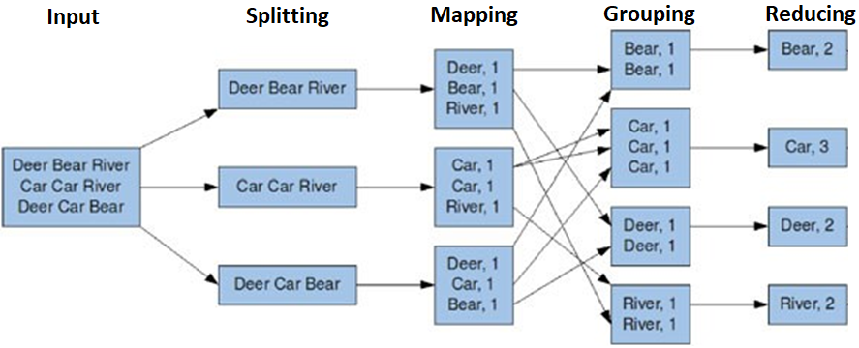

 | Shuffled cards |  |  | Perfect Card deck

 | 13 ordered Diamonds |  |  |  |  |  |  |  |  |  | 52 |  | A
 | S1 |  | S2 |  | S3 |  | S4 |  |  | Spades | 13 |  | 2
 |  |  |  |  |  |  |  |  |  | Diamonds | 13
 |  |  |  |  |  |  |  |  |  | Hearts | 13
 |  |  |  |  |  |  |  |  |  | Clubs | 13
 | A Hearts
 | 2 D

 | 2 spade 2 diamonds 2 hearts 3 clubs

 |  |  |  |  |  |  |  |  |  |  |  |  | K
 | 13 cards |  |  |  |  |  | Mppaing
 |  |  |  |  |  | 2D | 1
 |  |  |  |  |  | 3D | 1
 |  |  |  |  |  | 5H | 1
 |  |  |  |  |  | 8H | 1

 |  |  |  |  |  | 2D
 |  |  |  |  |  | 3d

When
 | Hadoop

 | Database

Big Data
 | 3V | Volume |  | Large volumes
 |  | Variety |  | Structured, Semistructured,
 |  | Velocity |  | OLTP, 5 ms, 1 ms. |  |  |  | batch once day

 | Distributed Processing
 |  | Distrubuting task at hand across several computers

 | Distributed Storage |  |  | Data gets stored in chunks across nodes and replicated well
 |  | GFS
 |  | HDFS |  | 128 MB
 |  |  |  | 1 G | 512

 | Distributed Processing
 |  | Google MR
 |  | Hadoop MR

 |  |  |  | Chunk the work and work on it
 |  |  |  | Each node works on a chgunk of data and applies your transformati

 |  |  | Map | Shuffle | Reduce

 | Hadoop | Ecosystem

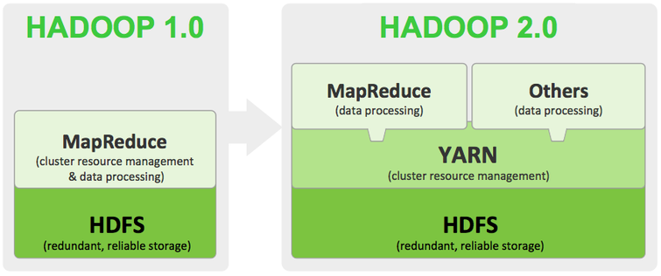

 |  |  | Commodity |  |  |  |  |  |  |  |  | Enterprise

 |  |  | 16 GB |  | 1000 |  | 16 *1000 |  | 16000 GB RAM

 |  |  | 1TB |  | 1000 |  | 16000 TB

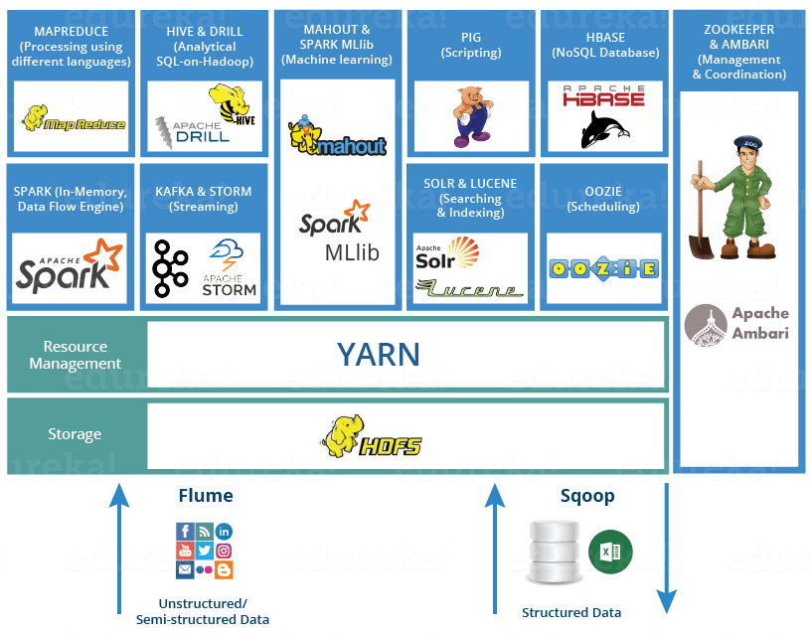

 |  |  | Facebook |  | Data Analysts |  | MR Code |  | Java
 |  |  |  |  | SQL

 |  |  |  | Hive | SQL |  |  | Hive is Bg data DWH solution
 |  |  |  | MR | Java MR code
 |  |  |  | HDFS

 |  |  |  | Storm |  | event gets generated |  |  | process it |  | java | to MR code
 |  |  |  |  |  |  |  |  |  |  |  | mR code
 |  |  |  | Mahout |  | Java | ML

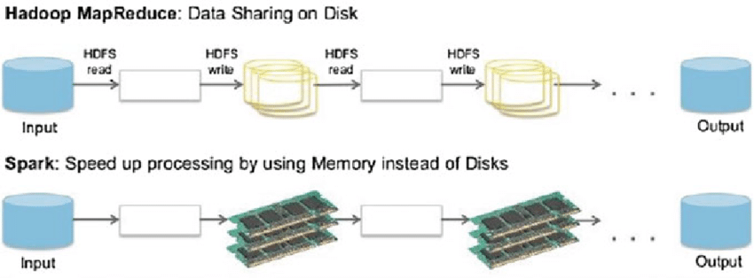

 |  | To much handovers to disks is a major problem
 |  |  | hadoop mr jobs take hours to days

 |  | Spark | Berkely Univ

 |  |  | Similarities with MR

 |  |  | Read from HDFS or any distributed storage |  |  |  |  | Many more operators
 |  |  | Map reduce operators |  |  |  |  | ram for handovers of data
 |  |  |  |  |  |  |  | 100x perfomance
 |  |  |  |  |  |  |  | SQL
 |  |  |  |  |  |  |  | ML
 |  |  |  |  |  |  |  | GraphX
 |  |  |  |  |  |  |  | Streaming

 | Donated
 |  | Apache Software Foundation

 | Spark which had highest popularity

 |  | Spark is written in Scala

 | Lang Support
 |  | Scala
 |  | Python | pyspark package
 |  | Java
 |  | R
 |  | SQL

 |  | RDD |  | Resilient Distributed Dataset

 |  | S1 | S2 | S3 | s4 | S5 | s6 | s7 | s8 | s9 | S10

Sales Data | Ram
File1 | Rdd1 | File1 Part1 | File1 Part2 |  |  |  | File1 Part3
Part1
Part2 | rdd2 | FilteredData1 | FilteredData2 |  |  |  | FilteredData3
Part3
 | HDFS | File1 Part1 |  | File1 Part1 |  | File1 Part3 |  | File1 Part1 | File1 Part3 |  |  |  | Disk
 |  |  | File1 Part2 |  |  | File1 Part2 | File1 Part3 |  |  |  | File1 Part2

Replcas 3

10GB | File1
 |  | ProductCategory | Count
30GB Hardsisk

 |  |  |  |  | Details of files partitions
 |  |  | Spark Program | File1 | S1s2s6

 |  | Logical File | Physically Disytributed as several Partiitons across deveral nodes

 |  |  | rdd1.filter("category" = "Laptops")

 |  | initial dataset | reading from disks |  | rdd1

 |  | filtered dastest | filtering the initial datsets |  | rdd2

 |  | aggregation | aggredated dataset on filtred |  | rdd3

 |  | Spark takes care of
 |  |  | asking each server to execute that transformation on the dataste that each server as

 | Resilient
 |  | While S1 is processing File1part part of RDD1 to generate RDD2 , if the S1 node goes down

 | Spark keep track of who is doing what on what

 |  | which server is processing which partition of which dataset
 |  | S1 is workingon F1 P1

 |  | Spark assigns another heaklthy node to deal with File1P1

 |  | Spark auto launches another healthy node to do the left over work

 | rdd1
 | rdd2 | filter
 | rdd3 | sort
 | rdd4 | group by
 | rdd5
 | rdd6
 | rdd7
 | rdd8 | join
 | rdd9
execution | rdd10 |  | 5 partitoons |  | 1 partition
 | rdd11
 | rdd12
 | rdd13 |  |  | rdd10
 | rdd14 |  |  | rdd6, rdd5, rdd1
 | rdd15 |  |  | rdd4 |  | rdd4 compute
 |  |  |  |  |  | rdd5, 6 and 1 compute

 | fialures
 |  | 4 times | configurable

 | Spark App dev environment

 | Intellij IDEA/eclipse (scala plugin) | Notebook
 | scala code | Azure Synapse Notebooks
 |  | Azure Databricks Notebooks |  | Scala | Sql

Batch
 | Spark Dataframes/Datasets | ADLS
 | Spark SQL
Streaming
 | Spark Structured Streaming Library | Azure EventHUbs

RDD | RDD API but it is complex
 | Unstructreddata like book -> rdd how we can use to some kind of analysis

Scala coding | just enough scala
Spark

scala experience | prime number 101 is it prime or prin first 50primes
 | 123454321 - palindrome

 | print multiplication table for 50

T-sql labs? | JOINS, SUB QUERIES, WINDOW FUNCTIONS (RANK, DENSE_RANK, ROW_NUMBER, LEAD AND LAG)

